Pharmaceutical Intermediates
CAS | Structure
2816821-74-4 | 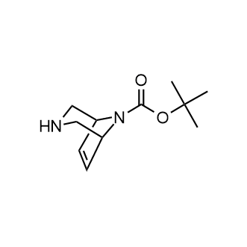
14590-52-4 | 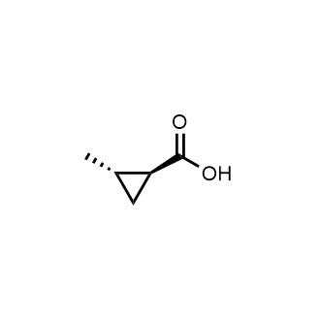
380223-17-6 | 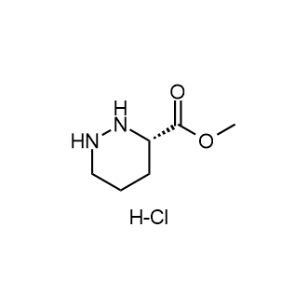
2641451-74-1 | 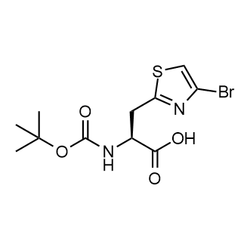
2641451-43-4 | 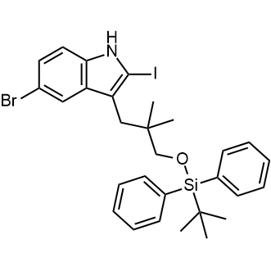
2641451-76-3 | 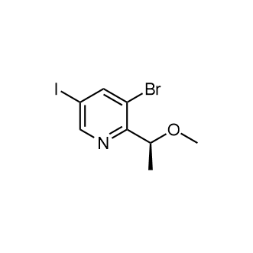
31166-44-6 | 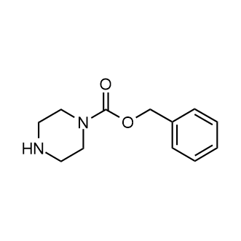
2763157-75-9 | 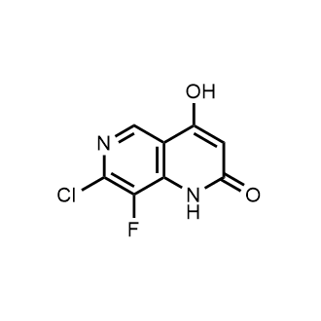
1450762-38-5 | 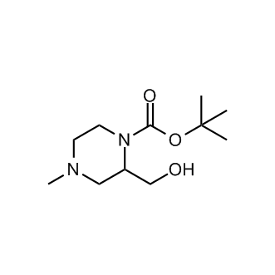
2834759-45-2 | 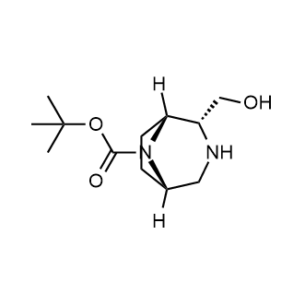
2649788-79-2 | 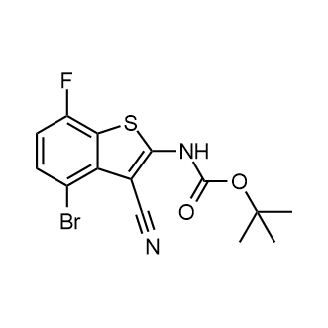
2621932-46-3 | 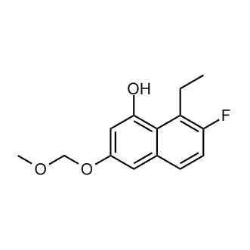
1432323-01-7 | 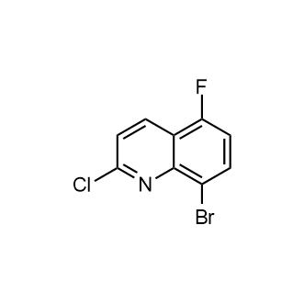
2874193-34-5 | 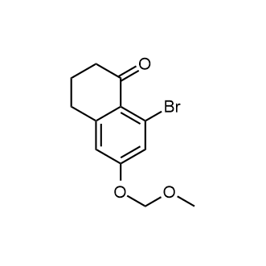
2834759-51-0 | 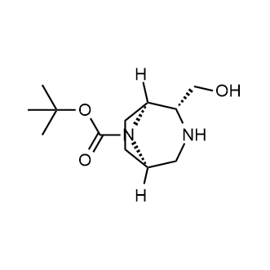
2916865-82-0 | 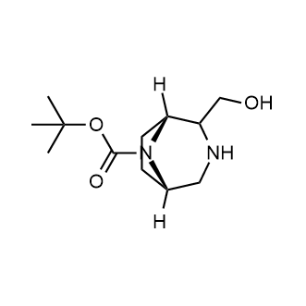
96386-93-5 | 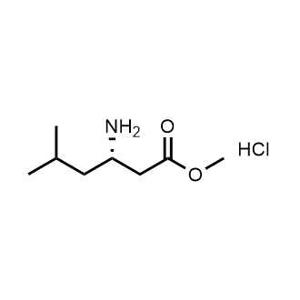
2648221-50-3 | 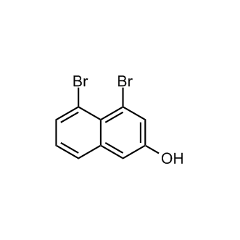
2664977-54-0 | 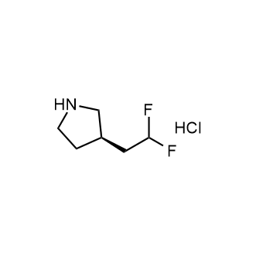
1344714-87-9 | 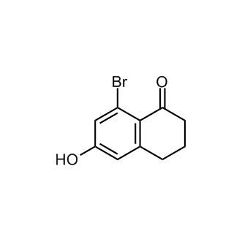
2875037-13-9 | 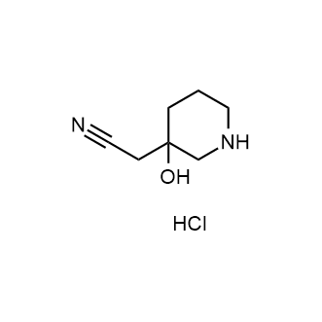
858671-91-7 | 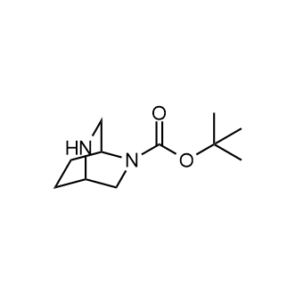
1310707-20-0 | 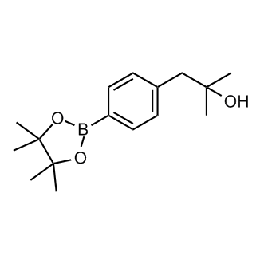
337904-94-6 | 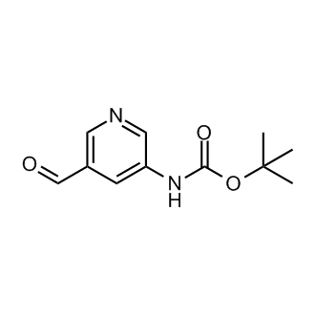
2731010-29-8 | 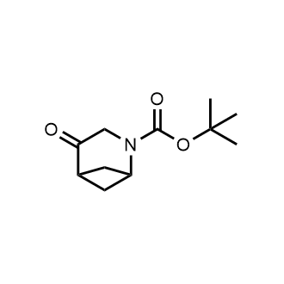
2382329-36-2 | 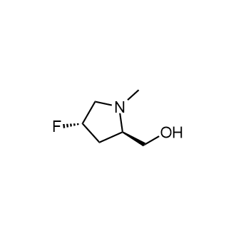
1803581-44-3 | 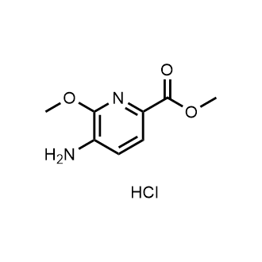
1692564-79-6 | 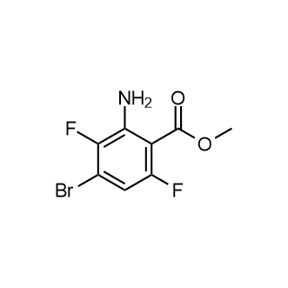
2927440-58-0 | 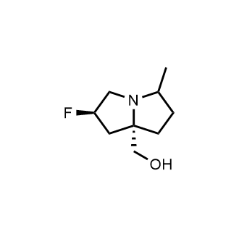
2820537-22-0 | 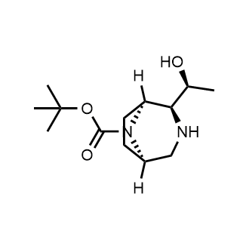
2621936-17-0 | 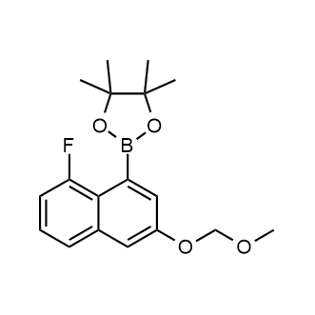
1824171-83-6 | 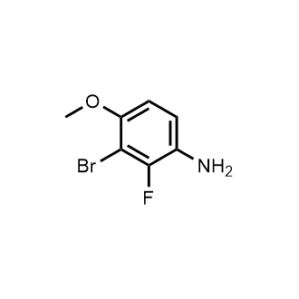
2230875-10-0 | 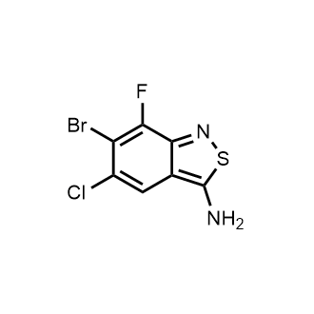
2927440-62-6 | 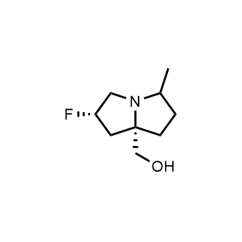
1326714-99-1 | 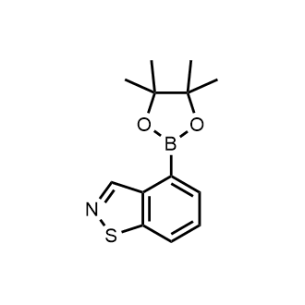
1173897-87-4 | 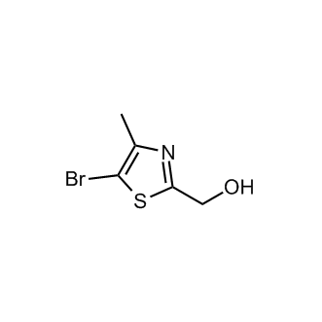
2621936-26-1 | 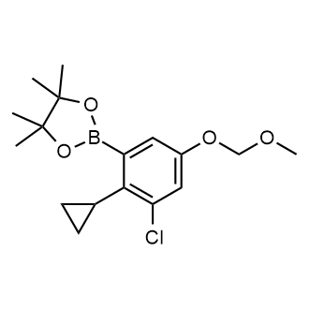
503177-95-5 | 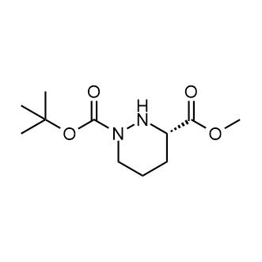
1443378-59-3 | 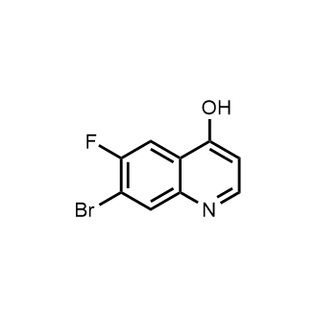
1126621-87-1 | 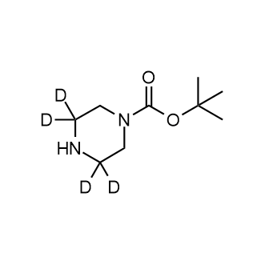
53101-20-5 | 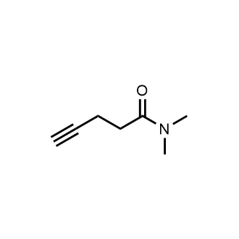
1987310-56-4 | 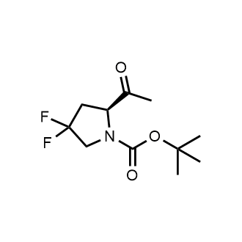
1805958-75-1 | 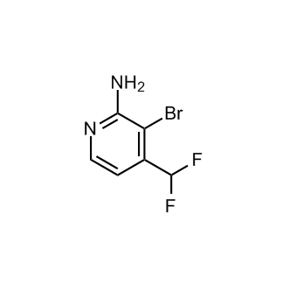
2839207-57-5 | 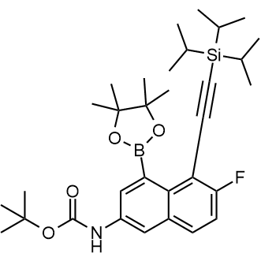
1427439-04-0 | 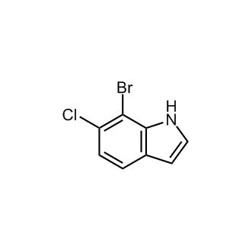
2858674-33-4 | 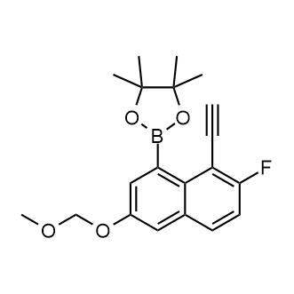
2927440-59-1 | 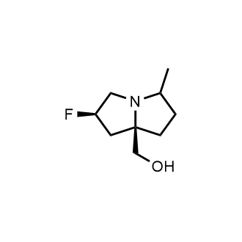
2194550-41-7 | 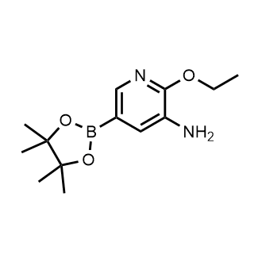
2648221-47-8 | 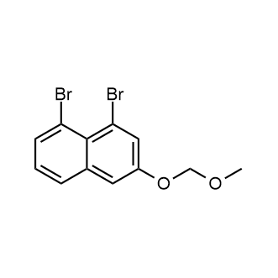
2837903-61-2 | 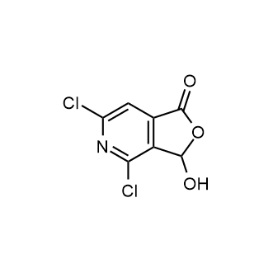
1261491-86-4 | 
1236162-22-3 | 
2749963-99-1 | 
2803279-96-9 | 
147081-29-6 | 
317845-81-1 | 
1373232-31-5 | 
2454397-84-1 | 
149771-44-8 | 
2158302-01-1 | 
1530793-63-5 | 
2134618-53-2 | 
1804706-81-7 | 
2051921-49-2 | 
1256345-60-4 | 
156699-39-7 | 
2820536-71-6 | 
128104-53-0 | 
2621932-37-2 | 
2454396-80-4 | 
2595201-64-0 | 
1261827-73-9 | 
2791273-88-4 | 
2134633-62-6 | 
78449-72-6 | 
2649788-83-8 | 
1353101-81-1 | 
2417920-29-5 | 
861529-32-0 | 
2864383-31-1 | 
1805186-16-6 | 
1007374-31-3 | 
5000-30-6 | 
2387928-70-1 | 
2916870-57-8 | 
2097518-76-6 | 
2248301-65-5 | 
2763157-90-8 | 
2248318-27-4 | 
2305254-97-9 | 
20816-79-9 | 
1568002-74-3 | 
2454397-77-2 | 
2641451-44-5 | 
104493-07-4 | 
2166596-47-8 | 
2460027-79-4 | 
2641451-73-0 | 
2856022-49-4 | 
1805176-98-0 | 
2230875-11-1 | 
2821795-85-9 | 
1931107-98-0 | 
474329-92-5 | 
1698028-11-3 | 
2761968-90-3 | 
2820536-86-3 | 
2891597-49-0 | 
2621938-40-5 | 
2938170-12-6 | 
1810700-89-0 | 
2555249-91-5 | 
2621939-48-6 | 
2241720-34-1 | 
1171126-84-3 | 
2832734-19-5 | 
1003048-74-5 | 
2417920-98-8 | 
2621932-48-5 | 
170033-47-3 | 
34381-71-0 | 
201338-62-7 | 
2621932-42-9 | 
2454397-74-9 | 
2168499-15-6 | 
916420-27-4 | 
590418-08-9 | 
2503307-87-5 | 
1698293-93-4 | 
2454490-66-3 | 
2374152-77-7 | 
2803281-62-9 | 
34669-51-7 | 
2641451-45-6 | 
2852769-70-9 | 
674792-08-6 | 
2454490-85-6 | 
2305080-34-4 | 
57469-91-7 | 
1434127-85-1 | 
62965-57-5 | 
1589565-36-5 | 
869494-16-6 | 
1445322-56-4 | 
2205387-69-3 | 
2649788-80-5 | 
2649788-76-9 | 
2649788-75-8 | 
1936590-03-2 | 
1261744-41-5 | 
1801855-06-0 | 
1355094-04-0 | 
633327-36-3 | 
124709-72-4 | 
2141956-21-8 | 
1976004-20-2 | 
1244059-50-4 | 
1427436-95-0 | 
223919-55-9 | 
1312535-77-5 | 
1946813-73-5 | 
1607429-47-9 | 
105879-62-7 | 
156142-98-2 | 
1114523-54-4 | 
2554380-35-5 | 
57279-73-9 | 
1346674-23-4 | 
1804935-17-8 | 
2766312-12-1 | 
1243446-89-0 | 
1150632-94-2 | 
1338254-23-1 | 
2731006-70-3 | 
2760850-48-2 | 
1434053-27-6 | 
109914-20-7 | 
86087-23-2 | 
1823437-48-4 | 
2140267-30-5 | 
2798867-81-7 | 
2143028-71-9 | 
197892-69-6 | 
7357-67-7 | 
1906935-63-4 | 
2798867-77-1 | 
179688-52-9 | 
1261645-45-7 | 
1595726-80-9 | 
625080-60-6 | 
1260878-78-1 | 
848133-35-7 | 
367-21-5 | 
1263180-81-9 | 
21740-91-0 | 
2384687-59-4 | 
1310078-72-8 | 
1691715-12-4 | 
1075705-01-9 | 
2090424-20-5 | 
42987-38-2 | 
54060-30-9 | 
1936174-81-0 | 
162012-70-6 | 
2660255-85-4 | 
1009368-27-7 | 
1788908-18-8 | 
1000342-11-9 | 
325142-87-8 | 
1082040-57-0 | 
947141-86-8 | 
1450662-30-2 | 
771579-27-2 | 
1173081-96-3 | 
1690692-63-7 | 
1335057-61-8 | 
94670-75-4 | 
1370347-50-4 | 
1254473-68-1 | 
410070-90-5 | 
2927-71-1 | 
886762-86-3 | 
1638847-73-0 | 
3025801-08-2 | 
2833708-33-9 | 
1839033-28-1 | 
61861-88-9 | 
1784678-61-0 | 
1805653-85-3 | 
1520918-11-9 | 
919122-19-3 | 
1006381-03-8 | 
1123172-87-1 | 
204654-94-4 | 
1259532-72-3 | 
2382547-44-4 | 
99725-44-7 | 
16732-70-0 | 
124443-68-1 | 
185629-31-6 | 
2386031-71-4 | 
219873-06-0 | 
2212021-40-2 | 
2044706-77-4 | 
1131580-60-3 | 
287944-16-5 | 
2246923-22-6 | 
1266118-78-8 | 
2870647-60-0 | 
1820885-11-7 | 
2172559-98-5 | 
2090778-00-8 | 
1531504-96-7 | 
890038-13-8 | 
1082041-85-7 | 
2212021-55-9 | 
850544-26-2 | 
38853-85-9 | 
117068-71-0 | 
882687-80-1 | 
52427-03-9 | 
122033-75-4 | 
1552843-60-3 | 
1782506-90-4 | 
2212021-56-0 | 
1337857-08-5 | 
2306254-86-2 | 
2098741-37-6 | 
3051610-21-7 | 
2435553-73-2 | 
2306249-73-8 | 
1196152-94-9 | 
1036388-83-6 | 
2505462-09-7 | 
903587-80-4 | 
1822518-66-0 | 
303185-87-7 | 
2361221-57-8 | 
1211505-65-5 | 
2246363-84-6 | 
1807617-94-2 | 
2893979-36-5 | 
1240390-28-6 | 
2857813-67-1 | 
1235440-61-5 | 
2089326-83-8 | 
5613-27-4 | 
2628351-94-8 | 
1030829-21-0 | 
1383968-45-3 | 
2093979-92-9 | 
1383985-12-3 | 
1260666-29-2 | 
2680528-24-7 | 
1116230-89-7 | 
1427357-41-2 | 
51940-64-8 | 
2246363-82-4 | 
1368337-30-7 | 
528862-00-2 | 
1152111-64-2 | 
2390476-73-8 | 
2246363-09-5 | 
3002418-94-9 | 
881900-09-0 | 
2857813-83-1 | 
1070295-03-2 | 
2273883-66-0 | 
1331887-05-8 | 
1039454-62-0 | 
95837-11-9 | 
1002129-57-8 | 
33631-01-5 | 
1000373-79-4 | 
1236365-13-1 | 
1419590-34-3 | 
1443288-79-6 | 
157829-53-3 | 
1544241-64-6 | 
1046462-99-0 | 
1234616-67-1 | 
152626-78-3 | 
1789048-54-9 | 
1224944-77-7 | 
71810-97-4 | 
2259853-06-8 | 
2641512-74-3 | 
2241315-66-0 | 
1558385-47-9 | 
1261269-33-3 | 
1427393-40-5 | 
1905413-47-9 | 
2172597-24-7 | 
1010120-55-4 | 
1428243-26-8 | 
912330-17-7 | 
1792190-72-7 | 
1368167-47-8 | 
3680-69-1 | 
128542-75-6 | 
1216244-84-6 | 
111291-58-8 | 
560-09-8 | 
69460-11-3 | 
13293-47-5 | 
1175621-48-3 | 
1353501-22-0 | 
533-31-3 | 
2875067-31-3 | 
2877757-07-6 | 
24435-45-8 | 
1805274-05-8 | 
905583-06-4 | 
2649470-87-9 | 
2649469-21-4 | 
2572662-67-8 | 
2407482-03-3 | 
1784742-57-9 | 
154927-00-1 | 
29682-15-3 | 
2654825-53-1 | 
550363-85-4 | 
2589531-74-6 | 
1445564-00-0 | 
61260-15-9 | 
1375301-90-8 | 
1214336-44-3 | 
1260671-39-3 | 
681249-57-0 | 
1803606-88-3 | 
2756334-26-4 | 
2756334-27-5 | 
1397008-33-1 | 
1938129-80-6 | 
1240618-39-6 | 
956324-28-0 | 
886372-05-0 | 
22123-14-4 | 
1359970-23-2 | 
890406-52-7 | 
1072945-98-2 | 
1350449-23-8 | 
1708370-71-1 | 
13600-48-1 | 
612833-37-1 | 
908269-41-0 | 
32159-21-0 | 
213190-12-6 | 
149814-40-4 | 
823189-16-8 | 
1301168-21-7 | 
1553175-83-9 | 
2410032-58-3 | 
549490-15-5 | 
365996-62-9 | 
2922291-55-0 | 
2953780-57-7 | 
158706-43-5 | 
454482-11-2 | 
135748-35-5 | 
165683-01-2 | 
1073354-91-2 | 
1109284-40-3 | 
1350323-81-7 | 
2629316-12-5 | 
2629316-13-6 | 
250659-32-6 | 
1566524-62-6 | 
1569839-14-0 | 
2092599-75-0 | 
1602782-77-3 | 
2086768-86-5 | 
1572246-00-4 | 
2774613-67-9 | 
1000529-09-8 | 
79686-36-5 | 
959918-30-0 | 
1801766-69-7 | 
573982-81-7 | 
1269026-22-3 | 
2169224-35-3 | 
2055761-19-6 | 
2306254-23-7 | 
2628351-17-5 | 
163271-08-7 | 
1227502-27-3 | 
1627721-84-9 | 
2818961-65-6 | 
1824074-50-1 | 
2813233-26-8 | 
54535-14-7 | 
2091009-80-0 | 
61708-25-6 | 
1152617-24-7 | 
1781570-26-0 | 
2776103-53-6 | 
2396535-59-2 | 
2818960-47-1 | 
1935445-26-3 | 
2235386-13-5 | 
2435579-38-5 | 
1824049-93-5 | 
1632033-96-5 | 
1956306-77-6 | 
1270482-67-1 | 
1212862-77-5 | 
2343963-75-5 | 
237435-16-4 | 
1782410-86-9 | 
2230840-56-7 | 
871231-24-2 | 
1637671-24-9 | 
1227581-86-3 | 
1476761-80-4 | 
1336454-90-0 | 
2386590-22-1 | 
1389852-29-2 | 
2089325-37-9 | 
1079656-93-1 | 
50377-49-6 | 
2569698-42-4 | 
2246590-15-6 | 
1150271-47-8 | 
176707-77-0 | 
34878-46-1 | 
851045-83-5 | 
950577-05-6 | 
2416218-85-2 | 
2230840-52-3 | 
2230840-58-9 | 
2703745-91-7 | 
2488795-56-6 | 
1212957-33-9 | 
1247376-44-8 | 
1823655-80-6 | 
1438256-92-8 | 
1795503-88-6 | 
1823366-46-6 | 
1272719-19-3 | 
2090991-89-0 | 
860701-53-7 | 
925672-86-2 | 
1033330-27-6 | 
1246552-90-8 | 
339531-55-4 | 
591249-21-7 | 
660830-62-6 | 
2248362-04-9 | 
1422498-86-9 | 
1175272-80-6 | 
1416713-25-1 | 
1338564-52-5 | 
2093388-50-0 | 
3077376-54-3 | 
3077376-53-2 | 
23002-51-9 | 
848691-22-5 | 
2098215-73-5 | 
21573-09-1 | 
89787-12-2 | 
2839744-28-2 | 
15953-45-4 | 
1374257-90-5 | 
633328-98-0 | 
2446481-80-5 | 
2446483-84-5 | 
1798304-51-4 | 
1823887-47-3 | 
1824370-09-3 | 
1629971-72-7 | 
2708280-99-1 | 
2869955-58-6 | 
2566444-22-0 | 
3026089-18-6 | 
1806416-26-1 | 
65515-32-4 | 
142063-12-5 | 
39885-50-2 | 
874-24-8 | 
49781-48-8 | 
1060806-62-3 | 
62510-60-5 | 
2708287-15-2 | 
2680533-45-1 | 
2022268-12-6 | 
1504287-88-0 | 

